Change Order #2
ITEMS REQUIRING BOCC APPROVAL
2026-07-02
(5 Items)

1. CHANGE ORDER #2 - INTERIM HEALTH OF WICHITA, INC. --
HEALTH DEPARTMENT
FUNDING -- GRANT
(Contract Extension)

Contract #4880-12
 | Interim Health of Wichita, Inc.
Extension of contract length | Extend the current contract through September 30, 2026
On the recommendation of Tammy Culley, on behalf of the Health Department, Corey Stokes moved to accept the Change Order to extend the contract through September 30, 2026 with Interim Health of Wichita, Inc. Philip Davolt seconded the motion the motion passed unanimously,
The county’s public health and behavioral health services are critical to the wellbeing of more than 525,000 residents. Regular timely and reliable staffing is essential for responding to public health emergencies, scheduled community health events, and ensuring crisis support and medical services. Temporary staffing helps Sedgwick County maintain continuity of care and essential medical services, especially during peak demand or employee absences and ensures compliance with HIPAA, OSHA, and local/state health regulations.
This extension will allow temporary staff to support Women, Infants and Children (WIC) and help manage care for patients with latent TB infection (LTBI), active TB, and suspected TB through comprehensive assessments, patient education, treatment initiation, and ongoing case management.
Notes:
Interim Health of Wichita, Inc. has provided temporary medical staff to the county since 2022.

26-2053
BOARD OF BIDS AND CONTRACTS JULY 2, 2026

2. 2026 CATERPILLAR EQUIPMENT LEASING PROGRAM -- PUBLIC WORKS
FUNDING -- PUBLIC WORKS
(Joint Governmental Purchase - Sourcewell 2026 National Pricing Agreement #011723-CAT)

#26-2053 Leasing Agreements
Description: 2026 Caterpillar #972-14AG Wheel Loader | Foley Equipment Caterpillar Financial Services Corporation
1. Equipment Sell Price | $751,375.00
2. Extended Warranty - 12 months unlimited hours / 972 - 60 mo./5,000 hour Premier | Included
3. Customer Service Agreement | Included
4. Sourcewell 11% Discount | -$82,651.00
5. Pre-Delivery Inspection | $1,465.00
6. Loyalty Discount | -$119,000.00
Total | $551,189.00
Description: 2026 Caterpillar #340-0810X Excavator
1. Equipment Sell Price | $586,365.00
2. Extended Warranty - 12 months unlimited hours / 340 - 60 mo./5,000 hour Premier | Included
3. Customer Service Agreement | Included
4. Sourcewell 11% Discount | -$93,818.00
5. Pre-Delivery Inspection | $30,535.00
6. Loyalty Discount | -$27,000.00
Total | $496,082.00
On the recommendation of Joe Thomas, on behalf of Public Works, Tim Myers moved to utilize the Sourcewell 2026 National Pricing Agreement #011723-CAT for acquisition of discounted equipment from Foley Equipment and to create financing (leasing) agreements with Caterpillar Financial Services Corporation for listed equipment valued at $1,047,271.00. Corey Stokes seconded the motion. The motion passed unanimously.
Public Works is utilizing a leasing agreement program with Caterpillar Financial Services Corporation through Foley Equipment for two (2) pieces of equipment (Wheel Loader and Excavator). This lease-to-own model provides Public Works with the ability to address steep maintenance costs of this existing equipment by providing new equipment that can be replaced every five (5) to seven (7) years.
Equipment at the end of the lease can be handed over and then newer equipment can be obtained using the equity in the original equipment to keep costs down. This program provides equipment at a slightly overall less (or at times same) cost as purchasing new equipment based off of accounting comparisons, but with less downtime, maintenance, insurance, and associated replacement costs.
Notes:
Wheel Loader is Equipment #0283. It is a 2014 model with 9,362 hours. Public Works spent $15,033.25 last year in maintenance costs. This wheel loader currently needs new tires at a cost exceeding $30,000.00. It is currently in the shop for additional maintenance.
Excavator is Equipment #0268. It is a 2005 model with 9,562 hours. Public Works spent $18,970.77 last year in maintenance costs. This excavator is currently out of service with hydraulic problems that are too expensive to consider if the plan is to replace it.
Payment Schedule - Wheel Loader
Due on delivery: $27,559.45
Due February 2027: $63,718.19
Annual Payments starting July 2027 - July 2032: $91,277.64 x 6 years = $547,665.84
Payment Schedule - Excavator
Due on delivery: $24,804.10
Due February 2027: $57,430.66
Annual Payments starting July 2027 - July 2032: $82,234.76 x 6 years = $493,408.56
Questions and Answers
Brandi Baily: So is this the first time we're using this leasing program with Caterpillar?
Lynn Packer: Yes. This is the first time we are doing this. We’re mirroring this after what the Fire Department is using with their lease.
Tim Myers: Lynn, it looks like the two (2) pieces of equipment that we're replacing are quite old and have several hours on them.
Lynn Packer: That is correct. In our analysis, we've been working on this for a little over a year with Finance. We've determined that really it makes sense and this isn't something we do for all of our equipment but our larger more expensive pieces of equipment. That's where the numbers made sense.
Brandi Baily: I do recall doing this for our fire trucks. So I think it makes sense for something so huge.

Caterpillar Finance Proposal
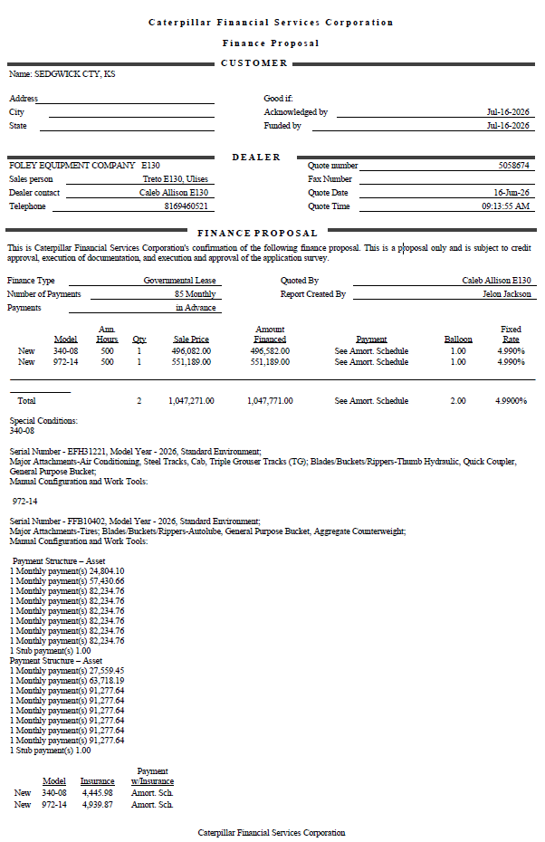

26-0060
BOARD OF BIDS AND CONTRACTS JULY 2, 2026

3. CONSTRUCTION DOCUMENTS TO SERVE THE SEDGWICK COUNTY SALT
STORAGE EAST YARD -- PUBLIC WORKS
FUNDING -- FACILITIES CONSTRUCTION
(Request sent to 62 vendors)

RFB #26-0060 PR #6390
Engineer's Estimate: $796,463.00 | Conco LLC | Icon Structures, Inc.
Construction Documents to Serve the Sedgwick County Salt Storage East Yard | $673,000.00 | $599,736.00
Bid Bond | Yes | Yes
Acknowledged Addendum | Yes | Yes
 | Key Construction Inc. | Koehn Construction Services, LLC
Construction Documents to Serve the Sedgwick County Salt Storage East Yard | $605,907.00 | $643,401.36
Bid Bond | Yes | Yes
Acknowledged Addendum | Yes | Yes
No Bid | Nowak Construction Co., Inc.
On the recommendation of Lee Barrier, on behalf of Public Works, Philip Davolt moved to accept the low bid from Icon Structures, Inc. in the amount of $599,736.00. Corey Stokes seconded the motion. The motion passed unanimously.
Storage East Yard consists of civil site work, concrete stem walls, a pre-engineered metal building, electrical lighting, and a concrete ramp for loading salt into trucks. The approximately 5,000 square foot building will stockpile salt to be used on our road system during snow and ice events. The existing wood salt storage building at the East Yard is more than 40 years old and has exceeded its useful life. The facility is outdated, undersized for current salt storage and handling needs, and lacks adequate illumination for nighttime operations.
Icon Structures, Inc. is qualified to perform this work and will work with MABCD to obtain required building permits to execute the project.

26-2048
BOARD OF BIDS AND CONTRACTS JULY 2, 2026

4. DRUG COURT LEGAL SERVICES -- DEPARTMENT OF CORRECTIONS
FUNDING -- DEPARTMENT OF CORRECTIONS
(Single Source)

#26-2048 Contract
 | Scott B. Poor
 | HP Defense LLC
Drug Court Defense Counsel Services - Year One (July 1, 2026 - June 30, 2027) | $72,000.00
Drug Court Defense Counsel Services - Year Two (July 1, 2027 - June 30, 2028) | $74,160.00
Drug Court Defense Counsel Services - Year Three (July 1, 2028 - June 30, 2029) | $76,384.80
Total | $222,544.80
On the recommendation of Joe Thomas, on behalf of the Department of Corrections, Tim Myers moved to accept and execute a service provider agreement with Scott B. Poor, HP Defense LLC, for drug court defense counsel services for one (1) year beginning on July 1, 2026, with two (2) one (1) year options to renew at the indicated rates. Corey Stokes seconded the motion. The motion passed unanimously.
The parties to this agreement endorse the mission and goals of the treatment court in order to enhance public safety, ensure participant accountability, and reduce cost to society. By addressing criminal thinking, substance/alcohol use disorders, trauma, and mental and physical health, the participants will realize improved quality of life. The parties to this agreement understand that the confidentiality of participants' alcohol and drug treatment records are protected under Federal regulations: Confidentiality of Alcohol and Drug Abuse Patient Records, 42 CFR Part 2 and the HIPAA Privacy Rule, 45 CFR 160, 162, and 164. The parties agree to comply with all confidentiality requirements.
The parties agree that the program will follow the 10 key components of Drug Court in which the respective agencies will work cooperatively.
Notes:
The Defense Counsel will:
* Be assigned to the treatment court for the term of this agreement and participate as an active member of the staffing team and steering/planning team.
* Advise the defendant as to the nature and purpose of the treatment court, the rules governing participation, the consequences of abiding or failing to abide by the rules, and how participating or not participating in treatment court will affect his/her interests.
* Ensure clients understand all contracts and rights waived as a participant in Drug Court, in contrast to rights waived in traditional criminal proceedings.
* Discuss legal options in an unbiased manner prior to recommending client for Drug Court.
* Ensure the constitutional rights of the participant are protected.
* Ensure prompt admittance into program and start of rehabilitative treatment.
* Attend all regularly scheduled court sessions and staffings.
* Maintain contact with clients and come to staffing prepared to present clients’ position on violations, with the exception of last-minute docket changes.
* Consults with clients prior to scheduled start time of each docket.
* Participate as a team member, operating in a non-adversarial manner, during staffings and court to promote a sense of a unified team presence.
* Reach consensus with team regarding effective means of addressing client behavior and advocate appropriately for the use of sanctions and incentives.
* Advocate for clients’ general well-being, stated interest and productive recovery without mitigating and defending clients’ behavior.
* Explain that because criminal prosecution for admitting to substance or alcohol use in open court will not be invoked, the participant is encouraged to be truthful with the Judge and team members, and that he or she will be expected to speak directly to the Judge, not through an attorney.
* Remain with client during entirety of Drug Court status hearings.
* Advocate for clients to have every opportunity for recovery before involuntary dismissal from program.
* Encourage clients throughout the Drug Court process.
* Continue to attend training opportunities in Drug Court best practices and related issues.
Sedgwick County, at its sole discretion, may cover the financial costs of contractor training associated with, or directly beneficial to this agreement. Training expenses are not included in the contract amount and will not be reimbursed retroactively. Future training requests may be submitted in advance for consideration, including registration, lodging, travel, and/or other requested costs. Approval will be subject to available funding and program needs.
Pricing for the first year would be $72,000.00. There will be a 3% annual increase for the following two (2) years. Compensation for year two (2) is $74,160.00 and year two (2) is $76,384.80.
Questions and Answers
Brandi Baily: Is this who is currently providing this service to us or is this a new service?
Lori Gibbs: This agent, Scott Poor’s group is currently providing legal counsel for our drug court program.
Brandi Baily: So it says that this is a single source. How come this is a single source?
Armand Shukaev: It's my understanding since the HP Defense LLC currently provides services, there's a need for standardization to avoid disruptions. So while you have the will of the Board to make this a competitive procurement, Single Source is appropriate in this instance.
Tim Myers: I know it's in our notes, but for the record is there somebody that can talk about what the Defense Counsel will provide to the clients?
Lori Gibbs: I can provide some context to that. The Defense Counsel is the designated representative for the offender participant in the drug court. So they will go to court with the client every week. They will attend staffing. They're part of a treatment team that includes the District Attorney's Office, treatment providers, and the judge. So they're one (1) representative of the bigger drug court team but they're responsibility is to represent the client's legal interests through the process of their participation in the Drug Court Program
Armand Shukaev: I will just add that it's basically the Defense Counsel in the drug court system. So that's an attorney for the defendant.

26-0064
BOARD OF BIDS AND CONTRACTS JULY 2, 2026

5. 3/4 TON 4WD SINGLE WHEEL REAR AXLE CREW CAB LONG BED TRUCK -- FLEET MANAGEMENT /
PUBLIC WORKS
FUNDING -- VEHICLE ACQUIS.
(Request sent to 106 vendors)

RFB #26-0064 PR #6350
 | CDJ Automotive LLC dba Mainstreet of Lansing CDJR | Don Hattan Chevrolet | EMAG Lebanon FD LLC dba Ed Morse Ford Lebanon
3/4 Ton 4WD Single Wheel Rear Axle Crew Cab Long Bed Truck | $53,383.00 | $54,432.00 | $53,479.00
Make, Model, Year: | 2026 Ram 2500 | 2026 Chevrolet 2500 Crew 4WD | 2027 Ford F250
Order Cutoff Date: | N/A | 2026-08-15 | Open till 27
Delivery Date: | 6 - 10 Weeks | 60-90 Days from Order | 60 - 89 Days Est.
 | Nashville Automotive LLC dba Serra Chevrolet Buick GMC | One Nation Distribution LLC | Parks Motors
3/4 Ton 4WD Single Wheel Rear Axle Crew Cab Long Bed Truck | $54,600.00 | $63,989.00 | $54,643.00
Make, Model, Year: | 2026 Chevrolet Silverado 2500 | 2026 Ford F250 | 2027 Ram 2500 Long Bed
Order Cutoff Date: | 8/28 Est. | N/A | N/A
Delivery Date: | 90 Days Est. | 30 Days ARO | 90 - 120 Days
 | Suncoast Chrysler Jeep Dodge Ram | Whiteside of St. Clairsville, Inc.
3/4 Ton 4WD Single Wheel Rear Axle Crew Cab Long Bed Truck | $54,430.00 | $59,836.00
Make, Model, Year: | 2026 Ram 2500 Crew 4x4 | 2026 Chev Silverado 2500
Order Cutoff Date: | Vehicle Available Now | 2026-08-28
Delivery Date: | 2 - 3 Weeks from Award | Est. 12 Weeks
On the recommendation of Joe Thomas, on behalf of Fleet Management and Public Works, Philip Davolt moved to accept the low bid from CDJ Automotive LLC dba Mainstreet of Lansing CDJR in the amount of $53,383.00. Tim Myers seconded the motion. The motion passed unanimously.
This ¾ ton crew cab long bed four-wheel drive truck is used by Public Works' highway and traffic crews. They pull large work trailers, haul skid steers, mini excavators, and many other pieces of small to medium sized equipment. They also transport tools, materials, and employees to and from work sites on a daily basis. These work trucks also assist with traffic control setup and provide work zone safe areas for each job.
Notes:
Fleet evaluates all vehicles and equipment up for replacement before requesting bids.
Vehicle # Year Make & Model VIN # Points Mileage
0540 2016 Ford F150 1FTEX1EF6GKD25285 17.7 277,903
This is a replacement vehicle. Surplus will be sold via auction.
Questions and Answers
Tim Myers: It looks like this is to replace a vehicle that is 10 years old with 277,000 miles on it?
Joe Thomas: Correct

